United States Of America, 2015
United States Of America, 2015

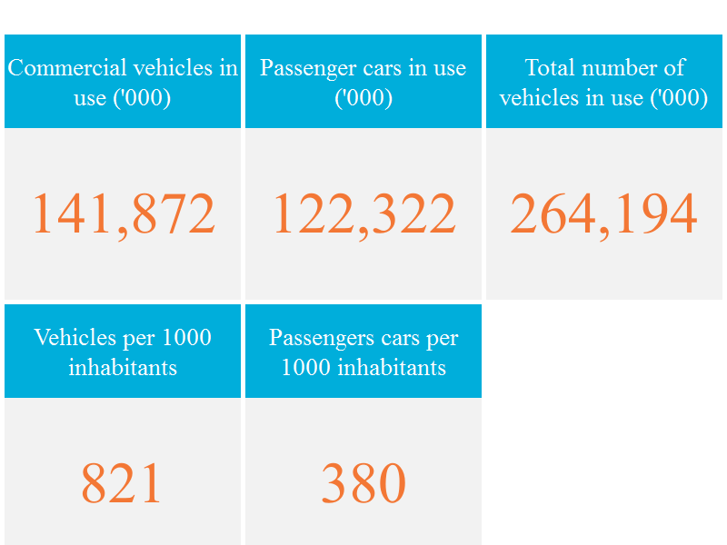

Created with knoema.com

Number of passenger cars in use
Number of passenger cars in use by country, 2015
Land | Aantal | Productie 2016
China | 135805 | 24,420,744
USA | 122322 | 3,934,357
Japan | 60988 | 7,873,886
Duitsland | 45071 | 5,746,808
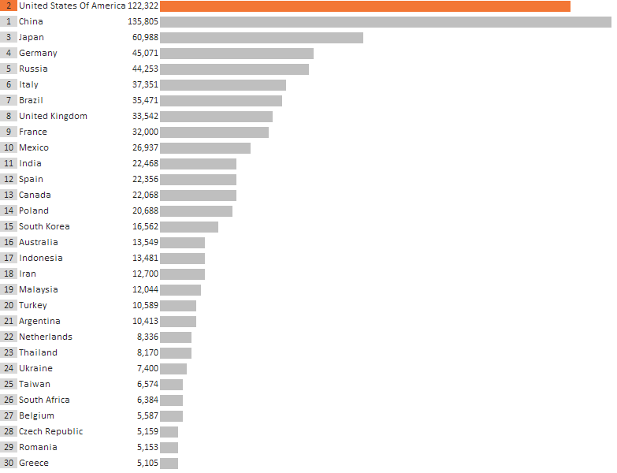
Rusland | 44253 | 1,124,774
Italië | 37351 | 713.182
Brzailië | 35471 | 1,778,464
United Kingdom | 33542 | 1,722,698
Frankrijk | 32000 | 1,626,000
Mexico | 26937 | 1,993,168

India | 22468
Spanje | 22356
Canada | 22068
polen | 20688
Zuid Korea | 16562
Australie | 13549
Indonesie | 13481
Iran | 12700
Maleisie | 12044
Turkije | 10589
Argentinie | 10413
Nederland | 8336
Thailand | 8170
Ukraine | 7400
Taiwan | 6574
Zuid Afrika | 6384
Belgie | 5587
CzechRepublic | 5159
Romenie | 5153
Griekenland | 5105
Oostenrijk | 4748
Zweden | 4669
Created with knoema.com
Syrie | 4600
Portugal | 4593
Zwitserland | 4504
Saudi Arabia | 4400
Egypte | 4384
Kazackstan | 3857
Algerije | 3700
Venezuela | 3600

No Title
No Title

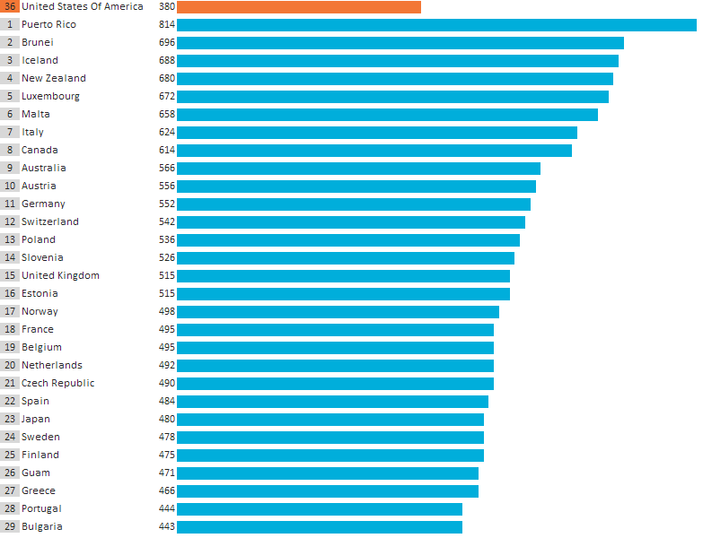

Created with knoema.com

Passenger cars motorization rat
Passenger cars motorization rate by country, 2015

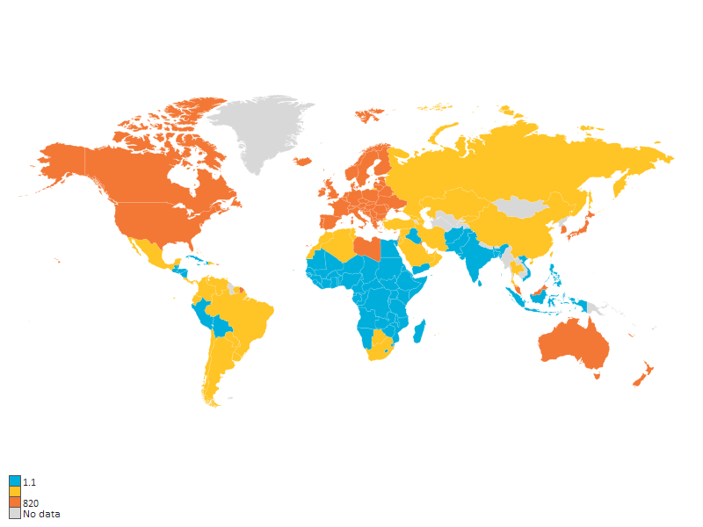

Created with knoema.com

United States Of America Passen
United States Of America: Passenger cars in use

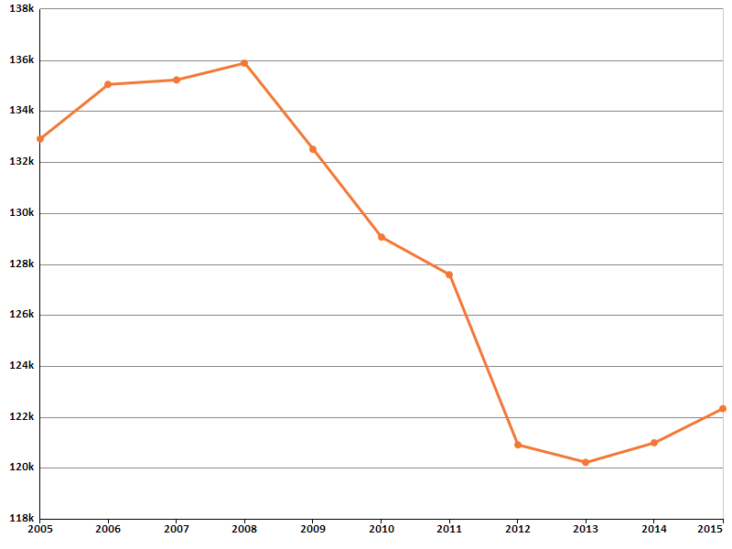

Created with knoema.com

Number of commercial vehicles i
Number of commercial vehicles in use by country, 2015

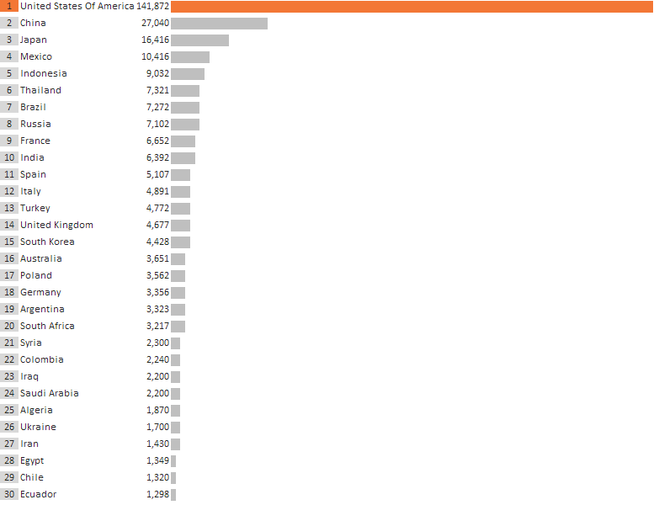

Created with knoema.com

United States Of America Commer
United States Of America: Commercial vehicles in use

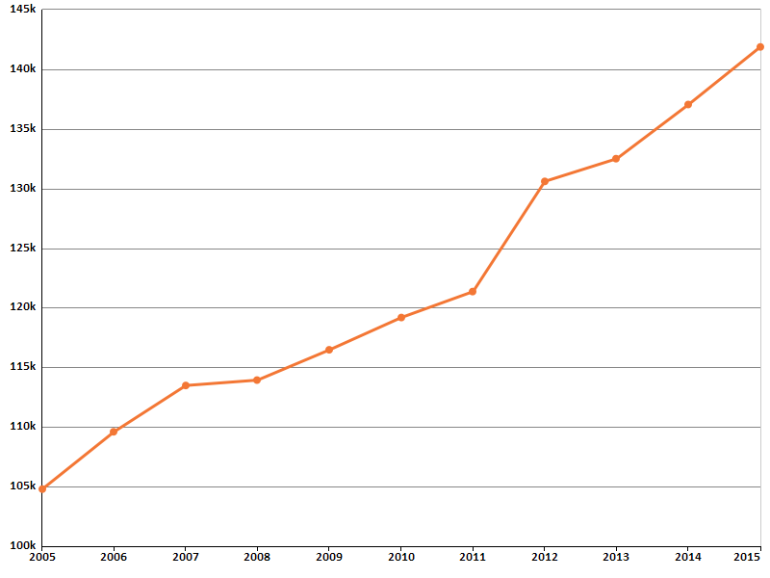

Created with knoema.com

